Framework
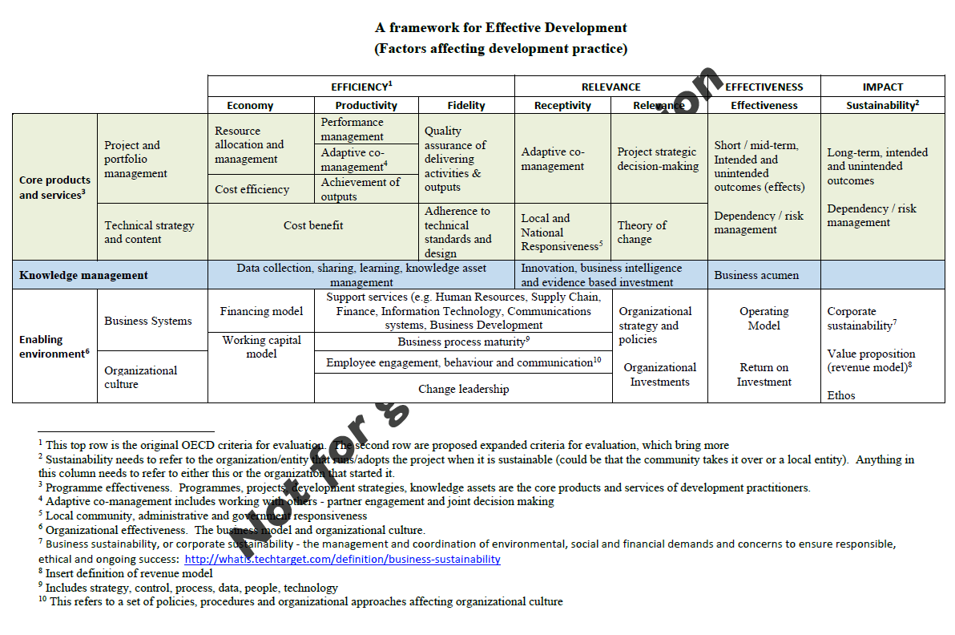

Framework for Evaluation from Bernard

"Coherence"
"Timeliness"

